Sheet1
Beam Deflection Calculations
Project: | PNK Support Facility |  | Location: | #4
Job#: |  |  | Date: | 2011-11-16
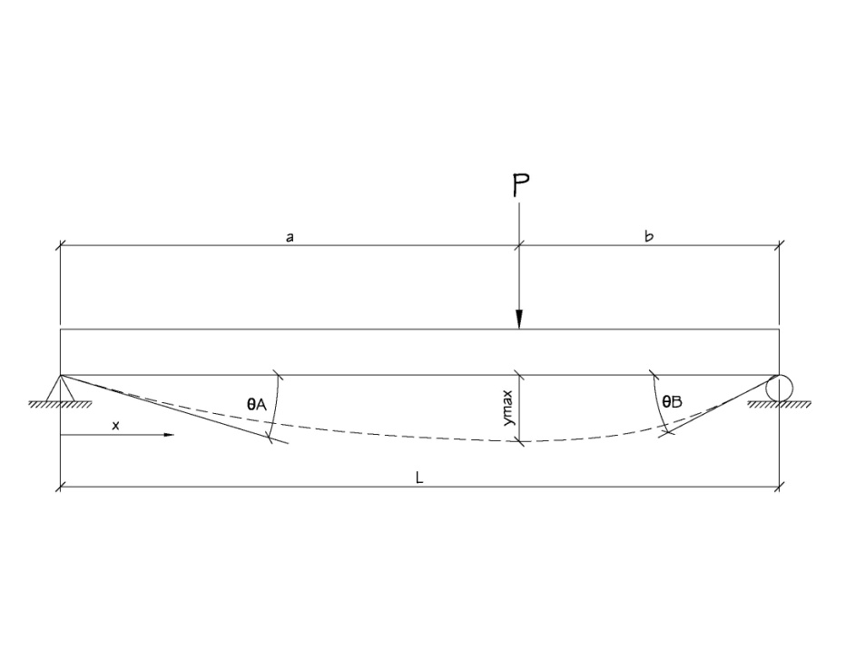

P= | 0.35 | k | x= | 144 | in
L= | 218 | in
E= | 29000 | ksi | ymax = L/360 = |  | 0.61 | in
I= | 14.67 | in^4
a= | 144 | in
b= | 74 | in

 |  |  |  | y= | -0.14284025208 | in | OK

 |  |  |  | ѲA= | -0.0019570830333 | °

 |  |  |  | ѲB= | 0.0024262467742 | °

