Wind Long Side
Overall Building Size = |  |  | 139 | ft long x | 59 | ft wide
Building mean height (h) = |  |  | 22.5 | ft

a = 10 % of least horizontal dimension or 0.4h; which ever is smaller. But not less than 4% of least horizontal dimension or 3 ft
 | 10% of least horizontal dimension = |  |  |  |  |  | 5.9 | ft
 | 0.4h = |  |  |  |  |  | 9.0 | ft
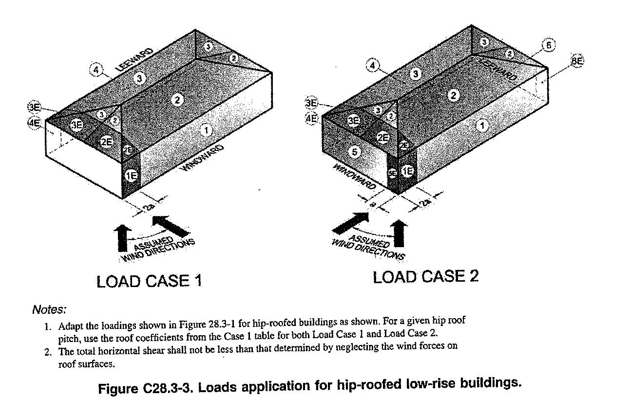
 | 4% of least horizontal dimension = |  |  |  |  |  | 2.4 | ft
Therefore a = |  | 2.4 | ft
This means that each end of the building carries the loads of A for a distance of 2a

The following are calculations are from MWFRS Wind Loads; (+) numbers act toward and (-) numbers act away from the normal surfaces

 | 1 | 2 | 3 | 4 | 1E | 2E | 3E | 4E
Loads psf | 25.3 | 13.3 | -20.8 | -18.8 | 15.7 | -24.7 | 13.5 | -21.2
Length, ft | 134.28 | 134.28 | 134.28 | 134.28 | 4.72 | 4.72 | 4.72 | 4.72
Height, ft | 12.00 | 20.00 | 20.00 | 12.00 | 12.00 | 10.00 | 10.00 | 12.00

Pressure # | 40,767.41 | 23,812.32 | -37,240.32 | -30,293.57 | 889.25 | -777.23 | 637.20 | -1,200.77

Each long side of the building will be supporting load = |  |  |  |  |  | 65,469.0 | #

Shear is calculated using
V = v Σbi
V | = total allowable shear capacity of wall (lb)
v | = allowable shear capacity per unit length (lb/ft)
Σbi | = sum of lengths of full-height sheathing segments

Using 15/32" CDX Plywood, 10d (3" x 0.148" common or 3" x 0.128 galv box nails) and the nail pattern around perimeter of plywood is 4" the pressure available to act in shear (v) is equal to

 |  |  |  |  |  |  | 510 | plf of shear
Each interior shear wall is |  |  |  |  | 10 | linear ft in length
Each exterior shear wall is |  |  |  |  | 35.75 | linear ft in length

V interior= | 5,100 | # (lb) with one side plywood and |  |  | 10,200 | # (lb) with plywood each side
V exterior= | 18,233 | # (lb) with one side plywood

4 interior shear walls 10 linear ft long with plywood both sides |  |  |  |  | 40,800 | #
End Walls acting in shear with plywood one side |  |  |  |  | 18,233 | #

 |  |  |  | Total = | 77,265 | # > | 65,469.0 | #

