POINT LOAD
Beam Deflection Calculations
Project: | PNK Support Facility |  | Location: | #1
Job#: |  |  | Date: | 2011-11-16
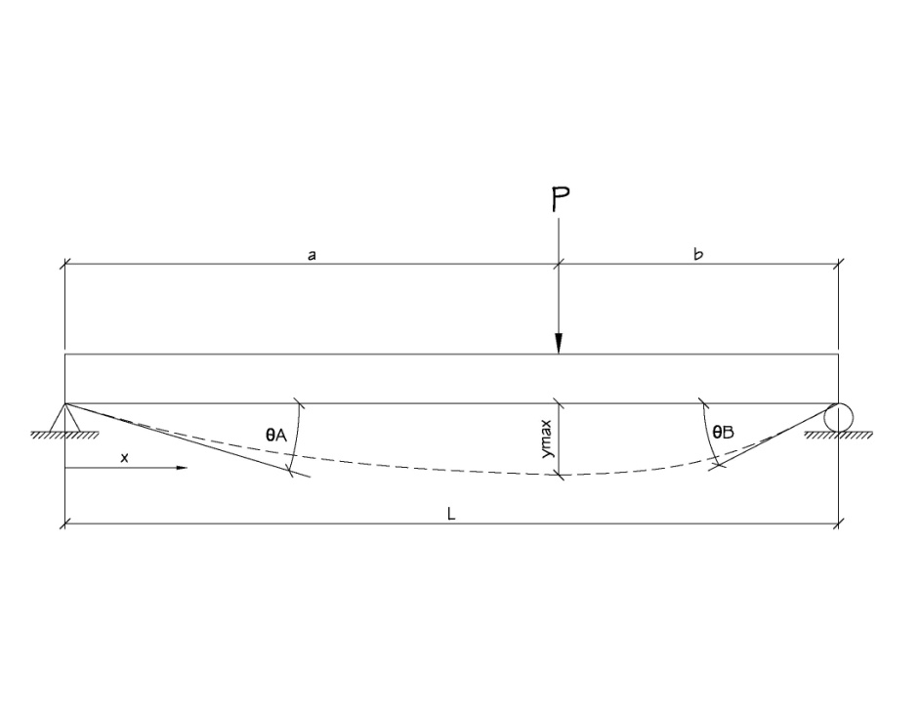

P= | 0.165 | k | x= | 240 | in
L= | 384 | in
E= | 29000 | ksi | ymax = L/360 = |  | 1.07 | in
I= | 14.67 | in^4
a= | 240 | in
b= | 144 | in

 |  |  |  | y= | -0.40211550666 | in | OK

 |  |  |  | ѲA= | -0.0030717156759 | °

 |  |  |  | ѲB= | 0.0036302094352 | °

DISTRIBUTED LOAD
Beam Deflection Calculations
Project: | Marco's Chalmette |  | Location: | A
Job#: | 2126 |  | Date: | 2011-12-09
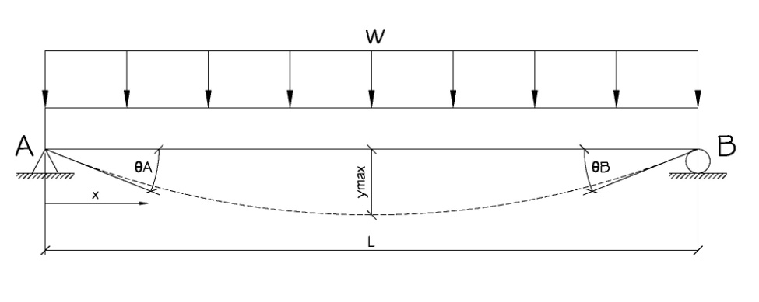

w= | 0.4 | k | x= | 108 | in
L= | 216 | in
E= | 29000 | ksi | ymax = L/360 = |  | 0.60 | in
I= | 758 | in^4

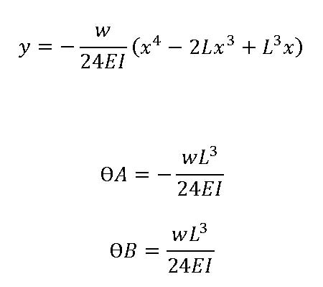
 |  |  |  | y= | -0.51575871167 | in | OK

 |  |  |  | ѲA= | -0.0076408698026 | °

 |  |  |  | ѲB= | 0.0076408698026 | °

