Sheet1
Beam Deflection Calculations
Project: | PNK Support Facility |  | Location: | #3
Job#: |  |  | Date: | 2011-11-16
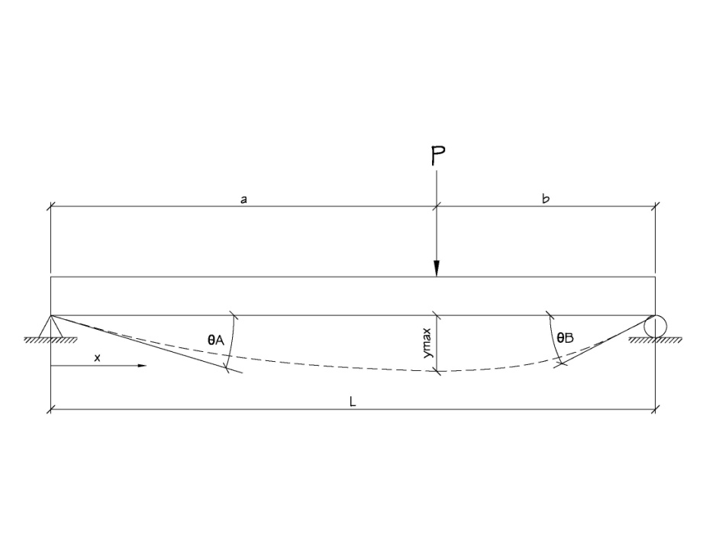

P= | 0.0825 | k | x= | 216 | in
L= | 382 | in
E= | 29000 | ksi | ymax = L/360 = |  | 1.06 | in
I= | 14.67 | in^4
a= | 216 | in
b= | 166 | in

 |  |  |  | y= | -0.21755291037 | in | OK

 |  |  |  | ѲA= | -0.0016624692504 | °

 |  |  |  | ѲB= | 0.001814154401 | °

