Design Example (APA T555)
Project Information
Code: | 2018 IBC |  |  |  |  |  |  |  | Date:
Designer: | APA
Client:
Project: | Design Example Published in APA Technical Note - Design for Force Transfer Around Openings (FTAO), Form No. T555A.
Wall Line:
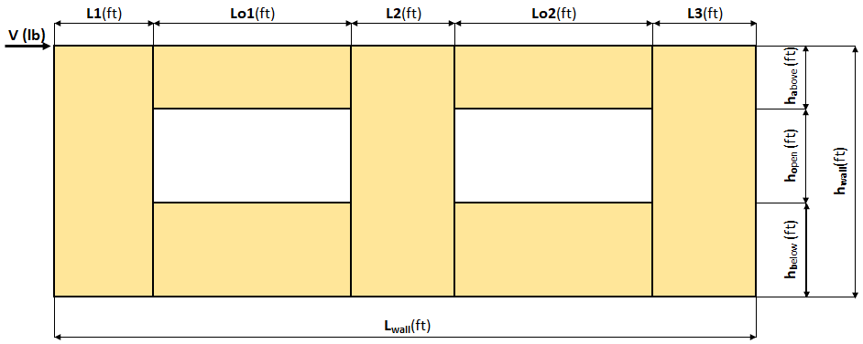

Shear Wall Calculation Variables
 | V | 3750 lbf |  | Opening 1 |  | Opening 2 |  | Adj. Factor Method = |  | 2bs/h
 | L1 | 4.00 ft | ha1 | 1.33 ft | ha2 | 1.33 ft |  | Wall Pier Aspect Ratio |  | Adj. Factor
 | L2 | 4.00 ft | ho1 | 2.67 ft | ho2 | 2.67 ft |  | P1=ho1/L1= | 0.67 | N/A
 | L3 | 3.50 ft | hb1 | 4.00 ft | hb2 | 4.00 ft |  | P2=ho2/L2= | 0.67 | N/A
 | hwall | 8.00 ft | Lo1 | 6.00 ft | Lo2 | 2.00 ft |  | P3=ho3/L3= | 0.76 | N/A
 | Lwall | 19.50 ft

 | 1. Hold-down forces: H = Vhwall/Lwall |  |  |  | 1538 lbf |  | 6. Unit shear beside opening
 | 2. Unit shear above + below opening |  |  |  |  |  | V1 = (V/L)(L1+T1)/L1 = |  |  | 337 plf
 | First opening: va1 = vb1 = H/(ha1+hb1) = |  |  |  | 288 plf |  | V2 = (V/L)(T2+L2+T3)/L2 = |  |  | 388 plf
 | Second opening: va2 = vb2 = H/(ha2+hb2) = |  |  |  | 288 plf |  | V3 = (V/L)(T4+L3)/L3 = |  |  | 244 plf
 |  |  |  |  |  |  | Check V1*L1+V2*L2+V3*L3=V? |  |  | 3750 lbf | OK
 | 3. Total boundary force above + below openings
 |  |  |  | First opening: O1 = va1 x (Lo1) = | 1731 lbf |  | 7. Resistance to corner forces
 |  |  |  | Second opening: O2 = va2 x (Lo2) = | 577 lbf |  |  |  | R1 = V1*L1 = | 1346 lbf
 |  |  |  |  |  |  |  |  | R2 = V2*L2 = | 1551 lbf
 | 4. Corner forces |  |  |  |  |  |  |  | R3 = V3*L3 = | 853 lbf
 |  |  |  | F1 = O1(L1)/(L1+L2) = | 865 lbf
 |  |  |  | F2 = O1(L2)/(L1+L2) = | 865 lbf |  | 8. Difference corner force + resistance
 |  |  |  | F3 = O2(L2)/(L2+L3) = | 308 lbf |  |  |  | R1-F1 = | 481 lbf
 |  |  |  | F4 = O2(L3)/(L2+L3) = | 269 lbf |  |  |  | R2-F2-F3 = | 378 lbf
 |  |  |  |  |  |  |  |  | R3-F4 = | 583 lbf
 | 5. Tributary length of openings
 |  |  |  | T1 = (L1*Lo1)/(L1+L2) = | 3.00 ft |  | 9. Unit shear in corner zones
 |  |  |  | T2 = (L2*Lo1)/(L1+L2) = | 3.00 ft |  |  |  | vc1 = (R1-F1)/L1 = | 120 plf
 |  |  |  | T3 = (L2*Lo2)/(L2+L3) = | 1.07 ft |  |  |  | vc2 = (R2-F2-F3)/L2 = | 95 plf
 |  |  |  | T4 = (L3*Lo2)/(L2+L3) = | 0.93 ft |  |  |  | vc3 = (R3-F4)/L3 = | 167 plf

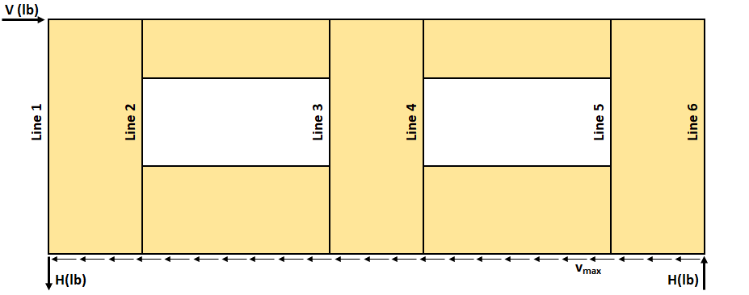

Check Summary of Shear Values for Two Openings
Line 1: vc1(ha1+hb1)+V1(ho1)=H? |  |  |  |  |  |  |  |  | 641 | 897 | 1538 lbf
Line 2: va1(ha1+hb1)-vc1(ha1+hb1)-V1(ho1)=0? |  |  |  |  |  |  |  | 1538 | 641 | 897 | 0
Line 3: vc2(ha1+hb1)+V2(ho1)-va1(ha1+hb1)=0? |  |  |  |  |  |  |  | 504 | 1034 | 1538 | 0
Line 4: va2(ha2+hb2)-V2(ho2)-vc2(ha2+hb2)=0? |  |  |  |  |  |  |  | 1538 | 1034 | 504 | 0
Line 5: va2(ha2+hb2)-vc3(ha2+hb2)-V3(ho2)=0? |  |  |  |  |  |  |  | 1538 | 889 | 650 | 0
Line 6: vc3(ha2+hb2)+ V3(ho2) = H? |  |  |  |  |  |  |  |  | 889 | 650 | 1538 lbf

Design Summary
Req. Sheathing Capacity |  |  | 388 plf | 4-Term Deflection |  |  | 0.317 in. | 3-Term Deflection |  |  | 0.352 in.
Req. Strap Force |  |  | 865 lbf | 4-Term Story Drift % |  |  | 0.013 % | 3-Term Story Drift % |  |  | 0.015 %
Req. HD Force |  |  | 1538 lbf |  |  |  | See Page 2 |  |  |  | See Page 3
Req. Shear Wall Anchorage Force |  |  | 192 plf

Shear Wall Deflection Calculation Variables
Sheathing: |  |  |  | Wood End Post Values: |  |  |  | Nail Type: | 8d common | (penny weight)
OSB |  | Sheathing Material |  | Species: | Douglas Fir-Larch No. 2
15/32 |  | Performance Category |  | E: | 1.60E+06 | (psi) |  |  | Pier 1 | Pier 3
APA Rated Sheathing |  | Grade |  |  | Qty | Stud Size |  | Nail Spacing: | 4 | 4 | (in.)
 |  |  |  | Dimensions: | 2 | 2x6 |  | HD Capacity: | 2145 | 2145 | (lbf)
 |  | Gt Override |  | A: | 16.5 | (in.2) |  | HD Deflection: | 0.128 | 0.128 | (in.)
 |  | Ga Overide |  | A Override: |  | (in.2)

Four-Term Equation Deflection Check

 | Pier 1-L | Pier 1-R | Pier 2-L | Pier 2-R | Pier 3-L | Pier 3-R
Sheathing: | 15/32 | 15/32 | 15/32 | 15/32 | 15/32 | 15/32
Nail: | 8d common | 8d common | 8d common | 8d common | 8d common | 8d common
vasd: | 337 | 337 | 388 | 388 | 244 | 244 | (plf)
vstrength: | 481 | 481 | 554 | 554 | 348 | 348 | (plf)
E: | 1.60E+06 | 1.60E+06 | 1.60E+06 | 1.60E+06 | 1.60E+06 | 1.60E+06 | (psi)
h: | 8.00 | 4.00 | 4.00 | 4.00 | 4.00 | 8.00 | (ft)
A: | 16.5 | 16.5 | 16.5 | 16.5 | 16.5 | 16.5 | (in.2)
Gt: | 83,500 | 83,500 | 83,500 | 83,500 | 83,500 | 83,500 | (lbf/in.)
Nail Spacing: | 4 | 4 | 4 | 4 | 4 | 4 | (in.)
Vn: | 160 | 160 | 185 | 185 | 116 | 116 | (plf)
e: | 0.0172 | 0.0172 | 0.0264 | 0.0264 | 0.0065 | 0.0065 | (in.)
b: | 4.00 | 4.00 | 4.00 | 4.00 | 3.50 | 3.50 | (ft)
HD Capacity: | 2145 | 2145 | 2145 | 2145 | 2145 | 2145 | (lbf)
HD Defl: | 0.128 | 0.128 | 0.128 | 0.128 | 0.128 | 0.128 | (in.)

 | Check Total Deflection of Wall System
 | Pier 1 (left) |  |  |  | Pier 1 (right)
 | Term 1 | Term 2 | Term 3 | Term 4 | Term 1 | Term 2 | Term 3 | Term 4
 | Bending | Shear | Fastener | HD-1 | Bending | Shear | Fastener | HD-2
 | 0.019 | 0.046 | 0.103 | 0.459 | 0.002 | 0.023 | 0.052 | 0.115
 |  |  | Sum | 0.627 |  |  | Sum | 0.192
 | Pier 2 (left) |  |  |  | Pier 2 (right)
 | Term 1 | Term 2 | Term 3 | Term 4 | Term 1 | Term 2 | Term 3 | Term 4
 | Bending | Shear | Fastener | HD-1 | Bending | Shear | Fastener | HD-2
 | 0.003 | 0.027 | 0.079 | 0.132 | 0.003 | 0.027 | 0.079 | 0.132 |  | Total
 |  |  | Sum | 0.241 |  |  | Sum | 0.241 |  | Defl.
 | Pier 3 (left) |  |  |  | Pier 3 (right) |  |  |  |  | 0.317 | (in.)
 | Term 1 | Term 2 | Term 3 | Term 4 | Term 1 | Term 2 | Term 3 | Term 4 |  | 0.0132 | %drift
 | Bending | Shear | Fastener | HD-1 | Bending | Shear | Fastener | HD-2
 | 0.002 | 0.017 | 0.019 | 0.095 | 0.015 | 0.033 | 0.039 | 0.380
 |  |  | Sum | 0.133 |  |  | Sum | 0.467

Three-Term Equation Deflection Check

 | Pier 1-L | Pier 1-R | Pier 2-L | Pier 2-R | Pier 3-L | Pier 3-R
Sheathing: | 15/32 | 15/32 | 15/32 | 15/32 | 15/32 | 15/32
Nail: | 8d common | 8d common | 8d common | 8d common | 8d common | 8d common
vasd: | 337 | 337 | 388 | 388 | 244 | 244 | (plf)
vstrength: | 481 | 481 | 554 | 554 | 348 | 348 | (plf)
E: | 1.60E+06 | 1.60E+06 | 1.60E+06 | 1.60E+06 | 1.60E+06 | 1.60E+06 | (psi)
h: | 8.00 | 4.00 | 4.00 | 4.00 | 4.00 | 8.00 | (ft)
A: | 16.5 | 16.5 | 16.5 | 16.5 | 16.5 | 16.5 | (in.2)
Ga: | 19.0 | 19.0 | 19.0 | 19.0 | 19.0 | 19.0 | (kips/in.)
b: | 4.00 | 4.00 | 4.00 | 4.00 | 3.50 | 3.50 | (ft)
HD Capacity: | 2145 | 2145 | 2145 | 2145 | 2145 | 2145 | (lbf)
HD Defl: | 0.128 | 0.128 | 0.128 | 0.128 | 0.128 | 0.128 | (in.)

 | Check Total Deflection of Wall System
 | Pier 1 (left) |  |  | Pier 1 (right)
 | Term 1 | Term 2 | Term 3 | Term 1 | Term 2 | Term 3
 | Bending | Shear | Fastener | Bending | Shear | Fastener
 | 0.019 | 0.202 | 0.459 | 0.002 | 0.101 | 0.115
 |  | Sum | 0.680 |  | Sum | 0.218
 | Pier 2 (left) |  |  | Pier 2 (right) |  |  |  | Total
 | Term 1 | Term 2 | Term 3 | Term 1 | Term 2 | Term 3 |  | Defl.
 | Bending | Shear | Fastener | Bending | Shear | Fastener |  | 0.352 | (in.)
 | 0.003 | 0.117 | 0.132 | 0.003 | 0.117 | 0.132 |  | 0.0147 | %drift
 |  | Sum | 0.252 |  | Sum | 0.252
 | Pier 3 (left) |  |  | Pier 3 (right)
 | Term 1 | Term 2 | Term 3 | Term 1 | Term 2 | Term 3
 | Bending | Shear | Fastener | Bending | Shear | Fastener
 | 0.002 | 0.073 | 0.095 | 0.015 | 0.147 | 0.380
 |  | Sum | 0.170 |  | Sum | 0.542

Comment: The 3-term equation is calibrated to be approximately equal to 4-term equation at 1.4*ASD capacity.

APA Disclaimer
The information contained herein is intended for use as a resource to aid in the shear wall design based on APA – The Engineered Wood Association's testing and knowledge of wood-framed shear wall system design utilizing the force transfer around openings (FTAO) methodology. Neither APA, nor its member manufacturers, make any warranty, expressed or implied, or assume any legal liability or responsibility for the accuracy, use, application of, and/or reference to opinions, findings, conclusions, or recommendations included in this calculator. Consult your local jurisdiction or design professional to assure compliance with code, construction, and performance requirements. Because APA has no control over quality of workmanship or the conditions under which engineered wood products are used, it cannot accept responsibility of product performance or designs as actually constructed. ©2018 APA – THE ENGINEERED WOOD ASSOCIATION · ALL RIGHTS RESERVED · ANY COPYING, MODIFICATION, DISTRIBUTION, OR OTHER USE OF THIS PUBLICATION OTHER THAN AS EXPRESSLY AUTHORIZED BY APA IS PROHIBITED BY THE U.S. COPYRIGHT LAWS.

One Opening
Project Information
Code: |  |  |  |  |  |  |  |  | Date:
Designer:
Client:
Project:
Wall Line:
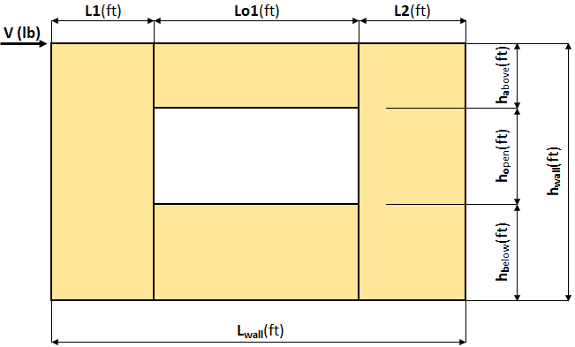

Shear Wall Calculation Variables
 |  | V |  |  | Opening 1 |  | Adj. Factor Method = |  | 2bs/h
 |  | L1 |  | ha1 |  |  | Wall Pier Aspect Ratio |  | Adj. Factor
 |  | L2 |  | ho1 |  |  | P1=ho1/L1=
 |  | hwall |  | hb1 |  |  | P2=ho2/L2=
 |  | Lwall |  | Lo1

 | 1. Hold-down forces: H = Vhwall/Lwall |  |  |  |  |  | 6. Unit shear beside opening
 |  |  |  |  |  |  | V1 = (V/L)(L1+T1)/L1 =
 | 2. Unit shear above + below opening |  |  |  |  |  | V2 = (V/L)(T2+L2)/L2 =
 | First opening: va1 = vb1 = H/(ha1+hb1) = |  |  |  |  |  | Check V1*L1+V2*L2=V?

 | 3. Total boundary force above + below openings |  |  |  |  |  | 7. Resistance to corner forces
 |  |  |  | First opening: O1 = va1 x (Lo1) = |  |  |  |  | R1 = V1*L1 =
 |  |  |  |  |  |  |  |  | R2 = V2*L2 =
 | 4. Corner forces
 |  |  |  | F1 = O1(L1)/(L1+L2) = |  |  | 8. Difference corner force + resistance
 |  |  |  | F2 = O1(L2)/(L1+L2) = |  |  |  |  | R1-F1 =
 |  |  |  |  |  |  |  |  | R2-F2 =
 | 5. Tributary length of openings
 |  |  |  | T1 = (L1*Lo1)/(L1+L2) = |  |  | 9. Unit shear in corner zones
 |  |  |  | T2 = (L2*Lo1)/(L1+L2) = |  |  |  |  | vc1 = (R1-F1)/L1 =
 |  |  |  |  |  |  |  |  | vc2 = (R2-F2)/L2 =
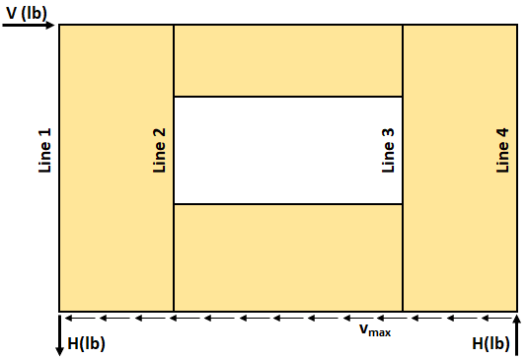

Check Summary of Shear Values for One Opening
Line 1: vc1(ha1+hb1)+V1(ho1)=H?
Line 2: va1(ha1+hb1)-vc1(ha1+hb1)-V1(ho1)=0?
Line 3: vc2(ha1+hb1)+V2(ho1)=H?

Design Summary
Req. Sheathing Capacity |  |  |  | 4-Term Deflection |  |  |  | 3-Term Deflection
Req. Strap Force |  |  |  | 4-Term Story Drift % |  |  |  | 3-Term Story Drift %
Req. HD Force (H) |  |  |  |  |  |  | See Page 2 |  |  |  | See Page 3
Req. Shear Wall Anchorage Force (vmax)

Shear Wall Deflection Calculation Variables
Sheathing: |  |  |  | Wood End Post Values: |  |  |  | Nail Type: |  | (penny weight)
 |  | Sheathing Material |  | Species:
 |  | Performance Category |  | E: |  | (psi) |  |  | Pier 1 | Pier 2
 |  | Grade |  |  | Qty | Stud Size |  | Nail Spacing: |  |  | (in.)
 |  |  | Dimensions: |  |  |  |  | HD Capacity: |  |  | (lbf)
 |  | Gt Override |  | A: |  | (in.2) |  | HD Deflection: |  |  | (in.)
 |  | Ga Overide | A Override: |  |  | (in.2)

Four-Term Equation Deflection Check

 | Pier 1-L | Pier 1-R | Pier 2-L | Pier 2-R
Sheathing:
Nail: | 0 | 0 | 0 | 0
vasd: |  |  |  |  | (plf)
vstrength: |  |  |  |  | (plf)
E: |  |  |  |  | (psi)
h: |  |  |  |  | (ft)
A: |  |  |  |  | (in.2)
Gt: |  |  |  |  | (lbf/in.)
Nail Spacing: |  |  |  |  | (in.)
Vn: |  |  |  |  | (plf)
e: |  |  |  |  | (in.)
b: |  |  |  |  | (ft)
HD Capacity: |  |  |  |  | (lbf)
HD Defl: |  |  |  |  | (in.)

 | Check Total Deflection of Wall System
 | Pier 1 (left) |  |  |  | Pier 1 (right)
 | Term 1 | Term 2 | Term 3 | Term 4 | Term 1 | Term 2 | Term 3 | Term 4
 | Bending | Shear | Fastener | HD-1 | Bending | Shear | Fastener | HD-2
 |  |  |  |  |  |  |  |  |  | Total
 |  |  | Sum | 0.000 |  |  | Sum | 0.000 |  | Defl.
 | Pier 2 (left) |  |  |  | Pier 2 (right) |  |  |  |  |  | (in.)
 | Term 1 | Term 2 | Term 3 | Term 4 | Term 1 | Term 2 | Term 3 | Term 4 |  |  | %drift
 | Bending | Shear | Fastener | HD-1 | Bending | Shear | Fastener | HD-2

 |  |  | Sum | 0.000 |  |  | Sum | 0.000

Three-Term Equation Deflection Check

 | Pier 1-L | Pier 1-R | Pier 2-L | Pier 2-R
Sheathing:
Nail: | 0 | 0 | 0 | 0
vasd: |  |  |  |  | (plf)
vstrength: |  |  |  |  | (plf)
E: |  |  |  |  | (psi)
h: |  |  |  |  | (ft)
A: |  |  |  |  | (in.2)
Ga: |  |  |  |  | (kips/in.)
b: |  |  |  |  | (ft)
HD Capacity: |  |  |  |  | (lbf)
HD Defl: |  |  |  |  | (in.)

 | Check Total Deflection of Wall System
 | Pier 1 (left) |  |  | Pier 1 (right)
 | Term 1 | Term 2 | Term 3 | Term 1 | Term 2 | Term 3
 | Bending | Shear | Fastener | Bending | Shear | Fastener |  | Total
 |  |  |  |  |  |  |  | Defl.
 |  | Sum | 0.000 |  | Sum | 0.000 |  |  | (in.)
 | Pier 2 (left) |  |  | Pier 2 (right) |  |  |  |  | %drift
 | Term 1 | Term 2 | Term 3 | Term 1 | Term 2 | Term 3
 | Bending | Shear | Fastener | Bending | Shear | Fastener

 |  | Sum | 0.000 |  | Sum | 0.000

Comment: The 3-term equation is calibrated to be approximately equal to 4-term equation at 1.4*ASD capacity.

APA Disclaimer
The information contained herein is intended for use as a resource to aid in the shear wall design based on APA – The Engineered Wood Association's testing and knowledge of wood-framed shear wall system design utilizing the force transfer around openings (FTAO) methodology. Neither APA, nor its member manufacturers, make any warranty, expressed or implied, or assume any legal liability or responsibility for the accuracy, use, application of, and/or reference to opinions, findings, conclusions, or recommendations included in this calculator. Consult your local jurisdiction or design professional to assure compliance with code, construction, and performance requirements. Because APA has no control over quality of workmanship or the conditions under which engineered wood products are used, it cannot accept responsibility of product performance or designs as actually constructed. ©2018 APA – THE ENGINEERED WOOD ASSOCIATION · ALL RIGHTS RESERVED · ANY COPYING, MODIFICATION, DISTRIBUTION, OR OTHER USE OF THIS PUBLICATION OTHER THAN AS EXPRESSLY AUTHORIZED BY APA IS PROHIBITED BY THE U.S. COPYRIGHT LAWS.

