Wind Long Side
Overall Building Size = |  |  | 83.5 | ft long x | 48.5 | ft wide
Building mean height (h) = |  |  | 18.39 | ft

a = 10 % of least horizontal dimension or 0.4h; which ever is smaller. But not less than 4% of least horizontal dimension or 3 ft
 | 10% of least horizontal dimension = |  |  |  |  |  | 4.9 | ft
 | 0.4h = |  |  |  |  |  | 7.4 | ft
 | 4% of least horizontal dimension = |  |  |  |  |  | 1.9 | ft
Therefore a = |  | 4.9 | ft
This means that each end of the building carries the loads of A for a distance of 2a

The following are calculations are from MWFRS Wind Loads; (+) numbers act toward and (-) numbers act away from the normal surfaces for the Long Wall

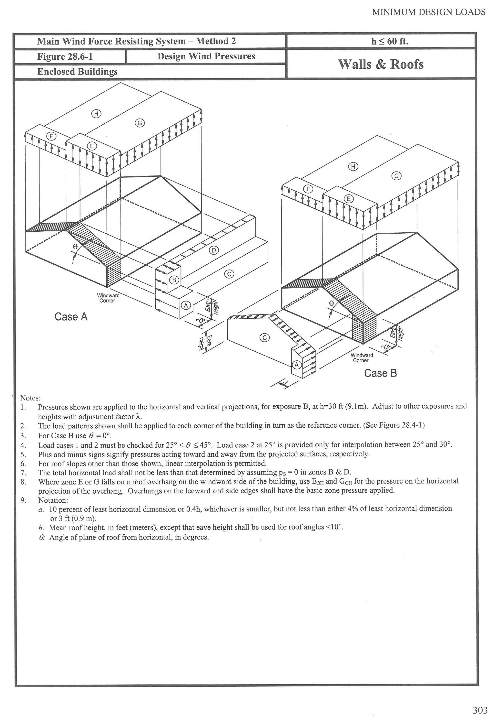
 | A | B | C | D | E | F | G | H
Loads psf | 36.2 | 46.2 | 26.2 | 32.1 | -48.1 | -33.5 | -33.5 | -25.4
Length, ft | 4.85 | 4.85 | 78.65 | 78.65
Height, ft | 10.83 | 8.75 | 10.83 | 8.75

Pressure # | 1,901.42 | 1,960.61 | 22,316.62 | 22,090.82 | 0.00 | 0.00 | 0.00 | 0.00
 |  | 1137.15525 |  | 12812.674875

The short sides of the building will be supporting 1/2 load from the long side = |  |  |  |  |  |  | 26,065.8 | #

Shear is calculated using
V = v Σbi
V | = total allowable shear capacity of wall (lb)
v | = allowable shear capacity per unit length (lb/ft)
Σbi | = sum of lengths of full-height sheathing segments

Using 15/32" CDX Plywood, 10d (3" x 0.148" common or 3" x 0.128 galv box nails) and the nail pattern around perimeter of plywood is 4" the pressure available to act in shear (v) is equal to

 |  |  |  |  |  |  | 460 | plf of shear
Each interior shear wall is |  |  |  |  | 10 | linear ft in length
Each exterior short side shear wall is |  |  |  |  | 48.5 | linear ft in length

V interior= | 4,600 | # (lb) with one side plywood and
V exterior= | 22,310 | # (lb) with one side plywood

2 interior shear walls with plywood one sides |  |  |  |  | 9,200 | #
End Wall acting in shear with plywood one side |  |  |  |  | 22,310 | #

 |  |  |  | Total = | 31,510 | # > | 26,065.8 | #

*****************************************************************************************************

The long sides of the building will be supporting 1/2 load from the short side= |  |  |  |  |  |  | 13,059.7 | #

Each exterior long side shear wall is |  |  |  |  | 83.5 | linear ft in length

Each long side of the building acting in shear with one side of plywood = |  |  |  |  |  |  | 38,410.0 | #

 |  |  |  | Total = | 38,410.0 | # > | 13,059.7

